Sheet2
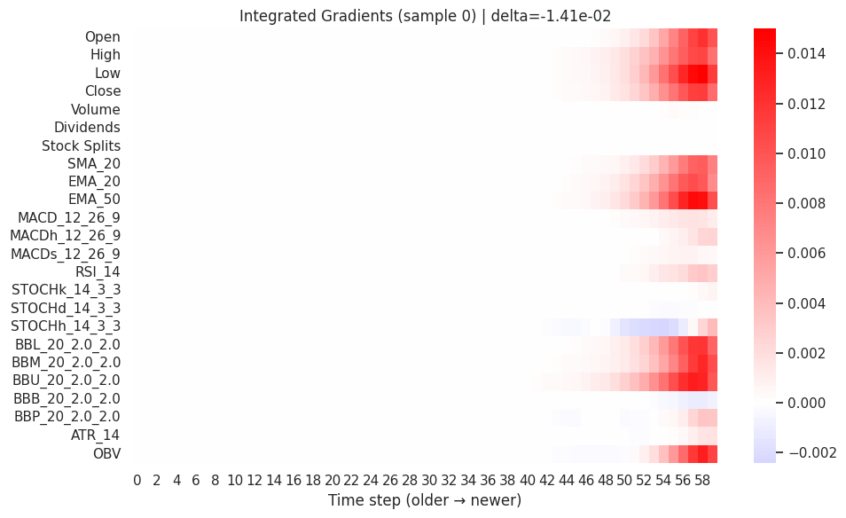
lstm
 | Integrated gradients:
 |  | feature | score | pct
Top IG contributors: Low (↑, 9.5%); EMA_50 (↑, 8.8%); OBV (↑, 8.3%) | 0 | Low | 0.086001 | 9.425674
 | 1 | EMA_50 | 0.079338 | 8.695464
 | 2 | OBV | 0.075079 | 8.228676 |  | Local
 | 3 | BBU_20_2.0_2.0 | 0.073964 | 8.106464 |  | Which features mattered most for a single prediction
 | 4 | High | 0.070009 | 7.672974 |  | Red = increase price, Blue = decrease
 | 5 | BBL_20_2.0_2.0 | 0.067083 | 7.35236
 | 6 | Open | 0.063466 | 6.955868
 | 7 | Close | 0.062022 | 6.797597
 | 8 | BBM_20_2.0_2.0 | 0.060473 | 6.627896
 | 9 | EMA_20 | 0.058966 | 6.462684

 | Saliency

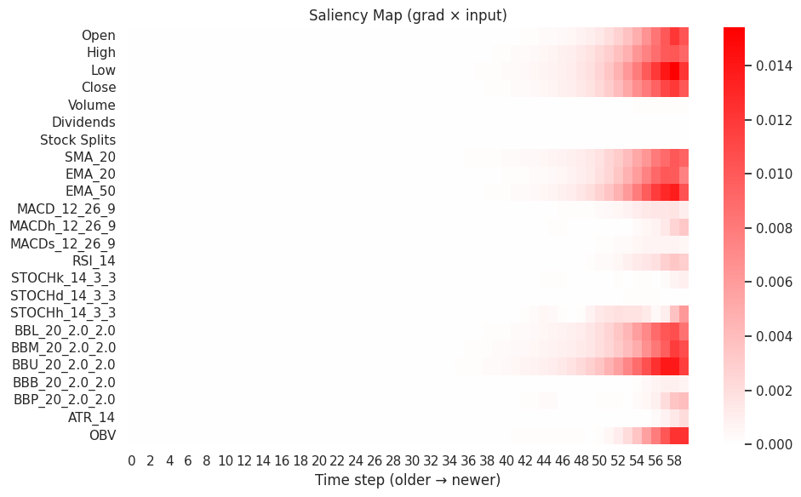
 |  | feature | score | pct
 | 0 | Low | 0.09771 | 9.973981
 | 1 | BBU_20_2.0_2.0 | 0.085379 | 8.715259
 | 2 | EMA_50 | 0.084643 | 8.640113 |  | Local
 | 3 | BBL_20_2.0_2.0 | 0.079097 | 8.074007 |  | “Where the model looked”
 | 4 | High | 0.071295 | 7.277554 |  | Confirms IG visually
 | 5 | OBV | 0.068046 | 6.94597
 | 6 | Open | 0.066686 | 6.807086
 | 7 | EMA_20 | 0.065102 | 6.645407

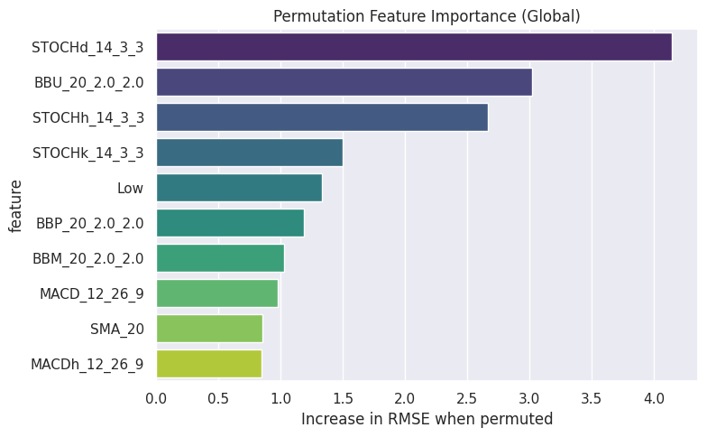
 | Permutation
 | Base RMSE used for permutation: 20.094465
 | Top-10 permutation importances (Close):
 | feature | delta_RMSE | base_RMSE | perm_RMSE | pct_of_total
0 | BBP_20_2.0_2.0 | 8.554465 | 20.094465 | 28.64893 | 32.272662
1 | STOCHk_14_3_3 | 6.687804 | 20.094465 | 26.782269 | 25.230477 | Global
2 | RSI_14 | 4.277536 | 20.094465 | 24.372001 | 16.137475 | Importance over entire dataset
3 | MACD_12_26_9 | 2.277354 | 20.094465 | 22.371819 | 8.591568 | High ΔRMSE = high importance
4 | MACDh_12_26_9 | 2.086786 | 20.094465 | 22.181251 | 7.872632
5 | STOCHd_14_3_3 | 1.913737 | 20.094465 | 22.008202 | 7.219782
6 | MACDs_12_26_9 | 0.917337 | 20.094465 | 21.011802 | 3.460755
7 | Low | 0.790342 | 20.094465 | 20.884807 | 2.981654
8 | Open | 0.771711 | 20.094465 | 20.866176 | 2.911365
9 | STOCHh_14_3_3 | 0.762127 | 20.094465 | 20.856592 | 2.875208

 | SHAP

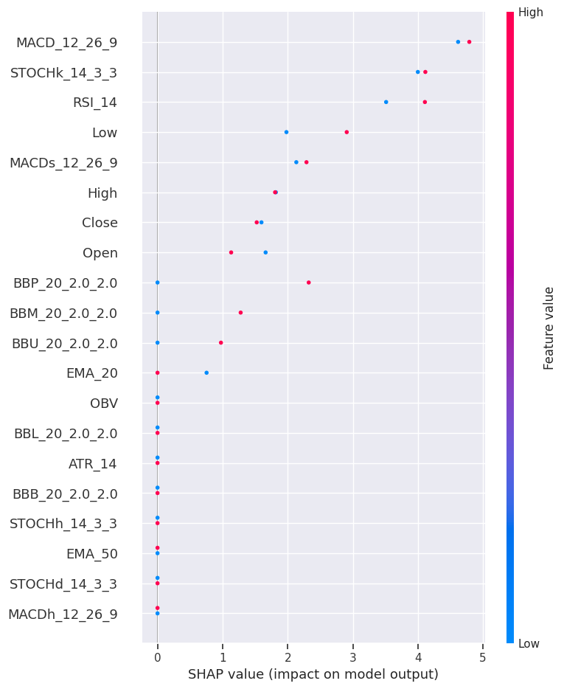
 | SHAP explanation for test sample 0: |  |  |  |  | Global / Local
 |  | feature | shap | abs |  | Push each feature gives on price
 | 19 | BBU_20_2.0_2.0 | 4.296436 | 4.296436 |  | Positive SHAP = pushes up price
 | 2 | Low | 3.251187 | 3.251187
 | 1 | High | 1.975613 | 1.975613
 | 3 | Close | 1.895381 | 1.895381
 | 18 | BBM_20_2.0_2.0 | 1.887524 | 1.887524
 | 7 | SMA_20 | 1.764517 | 1.764517
 | 14 | STOCHk_14_3_3 | 1.694709 | 1.694709
 | 0 | Open | 1.280885 | 1.280885
 | 10 | MACD_12_26_9 | 1.212778 | 1.212778
 | 8 | EMA_20 | 1.136663 | 1.136663
 | SHAP explanation for test sample 1:
 |  | feature | shap | abs
 | 19 | BBU_20_2.0_2.0 | 3.358877 | 3.358877
 | 2 | Low | 2.333737 | 2.333737
 | 7 | SMA_20 | 1.866788 | 1.866788
 | 3 | Close | 1.841105 | 1.841105
 | 1 | High | 1.681874 | 1.681874
 | 18 | BBM_20_2.0_2.0 | 1.673143 | 1.673143
 | 0 | Open | 1.41353 | 1.41353
 | 12 | MACDs_12_26_9 | 1.267069 | 1.267069
 | 8 | EMA_20 | 1.158032 | 1.158032
 | 9 | EMA_50 | 1.151438 | 1.151438

Sheet3
Hierarchical CNN+LSTM with Temporal & Self-Attention

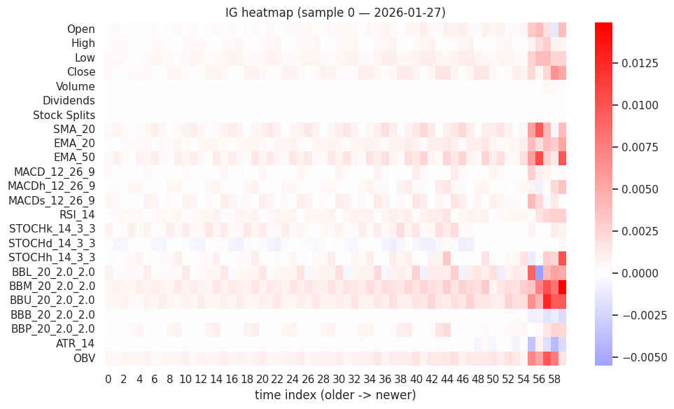
 | ig

 |  | feature | score | pct
 | 0 | BBM_20_2.0_2.0 | 0.088965 | 9.946186
 | 1 | OBV | 0.074619 | 8.342275
 | 2 | STOCHk_14_3_3 | 0.067898 | 7.590879
 | 3 | BBU_20_2.0_2.0 | 0.067544 | 7.551402
 | 4 | EMA_50 | 0.061037 | 6.82388
 | 5 | BBL_20_2.0_2.0 | 0.051601 | 5.768986
 | 6 | SMA_20 | 0.050572 | 5.653865
 | 7 | RSI_14 | 0.050145 | 5.606193

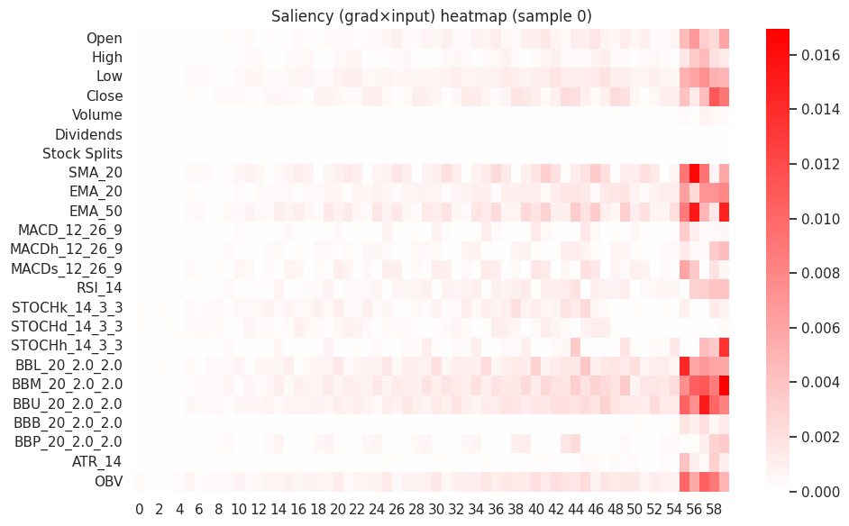
 | Saliency sample 1
 |  | feature | score | pct
 | 0 | BBM_20_2.0_2.0 | 0.101398 | 8.624932
 | 1 | EMA_50 | 0.086109 | 7.324387
 | 2 | STOCHk_14_3_3 | 0.084693 | 7.203949
 | 3 | OBV | 0.083633 | 7.113835
 | 4 | BBU_20_2.0_2.0 | 0.079596 | 6.770456
 | 5 | SMA_20 | 0.075388 | 6.412449
 | 6 | BBL_20_2.0_2.0 | 0.068599 | 5.835046
 | 7 | Low | 0.066185 | 5.629683

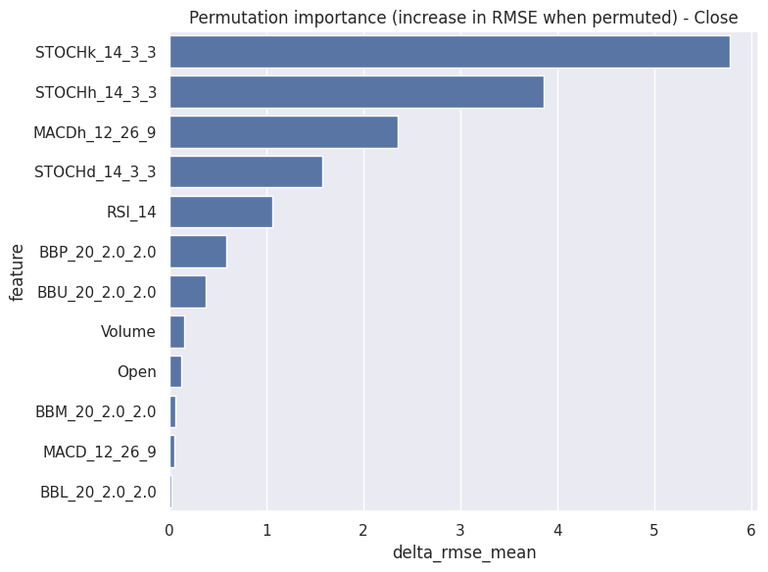
 | Base RMSE (target 1): 29.2088
 |  | feature | delta_RMSE | base_RMSE | perm_RMSE
 | 0 | STOCHk_14_3_3 | 13.575745 | 29.2088 | 42.784545
 | 1 | MACDh_12_26_9 | 5.733101 | 29.2088 | 34.941901
 | 2 | BBP_20_2.0_2.0 | 3.551603 | 29.2088 | 32.760403
 | 3 | RSI_14 | 2.700384 | 29.2088 | 31.909184
 | 4 | STOCHh_14_3_3 | 2.235142 | 29.2088 | 31.443942
 | 5 | EMA_50 | 1.87053 | 29.2088 | 31.07933
 | 6 | STOCHd_14_3_3 | 1.738361 | 29.2088 | 30.947161
 | 7 | BBM_20_2.0_2.0 | 1.61026 | 29.2088 | 30.81906
 | 8 | MACDs_12_26_9 | 1.41523 | 29.2088 | 30.62403
 | 9 | Close | 1.41247 | 29.2088 | 30.62127
 | 10 | BBU_20_2.0_2.0 | 1.327932 | 29.2088 | 30.536732
 | 11 | Low | 1.141831 | 29.2088 | 30.350631
 | 12 | SMA_20 | 0.906523 | 29.2088 | 30.115323
 | 13 | EMA_20 | 0.591349 | 29.2088 | 29.800149
 | 14 | High | 0.407911 | 29.2088 | 29.616711

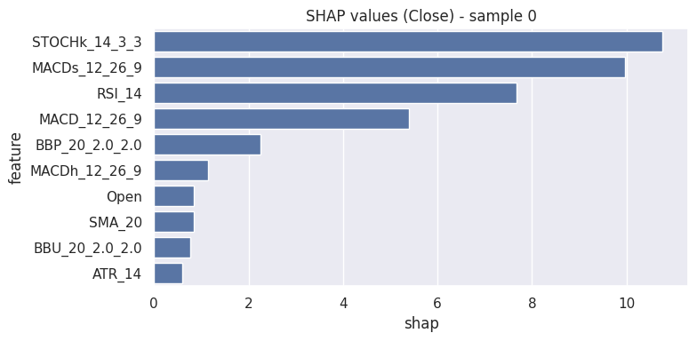
 | SHAP sample 0 |
 |  | feature | shap | abs
 | 0 | BBM_20_2.0_2.0 | -18.71418 | 18.71418
 | 1 | BBU_20_2.0_2.0 | -17.692264 | 17.692264
 | 2 | SMA_20 | -12.166325 | 12.166325
 | 3 | Close | -11.989835 | 11.989835
 | 4 | MACDs_12_26_9 | -11.260108 | 11.260108
 | 5 | EMA_50 | -9.949064 | 9.949064
 | 6 | Low | -9.872925 | 9.872925
 | 7 | EMA_20 | -9.856165 | 9.856165
 | 8 | BBL_20_2.0_2.0 | -9.210666 | 9.210666
 | 9 | STOCHk_14_3_3 | -7.380384 | 7.380384
 | 10 | Stock Splits | 0 | 0
 | 11 | Open | 0 | 0

 | SHAP sample 2 |
 |  | feature | shap | abs
 | 0 | BBM_20_2.0_2.0 | -17.432396 | 17.432396
 | 1 | BBU_20_2.0_2.0 | -16.555555 | 16.555555
 | 2 | SMA_20 | -13.250765 | 13.250765
 | 3 | MACDs_12_26_9 | -12.85843 | 12.85843
 | 4 | EMA_50 | -11.556742 | 11.556742
 | 5 | Low | -11.101229 | 11.101229
 | 6 | EMA_20 | -9.957881 | 9.957881
 | 7 | BBL_20_2.0_2.0 | -9.392966 | 9.392966
 | 8 | Close | -8.88811 | 8.88811
 | 9 | High | -4.546353 | 4.546353
 | 10 | Volume | 0 | 0
 | 11 | Open | 0 | 0

Sheet4
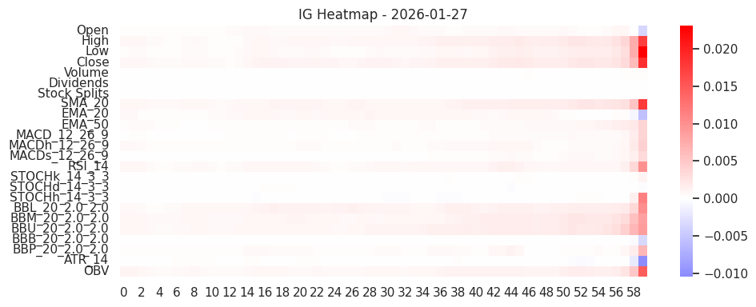
QueryLearned Temporal Transformer |  |  | (informer)
 | ig
 | Sample 0 (2026-01-27) top IG features:
 |  | feature | score | pct
 | 3 | Close | 0.097321 | 9.727156
 | 1 | High | 0.089395 | 8.934942
 | 7 | SMA_20 | 0.088869 | 8.882391
 | 19 | BBU_20_2.0_2.0 | 0.086534 | 8.648964
 | 18 | BBM_20_2.0_2.0 | 0.081804 | 8.176264
 | 2 | Low | 0.076957 | 7.69182
 | 17 | BBL_20_2.0_2.0 | 0.07576 | 7.572099
 | 23 | OBV | 0.073062 | 7.30243

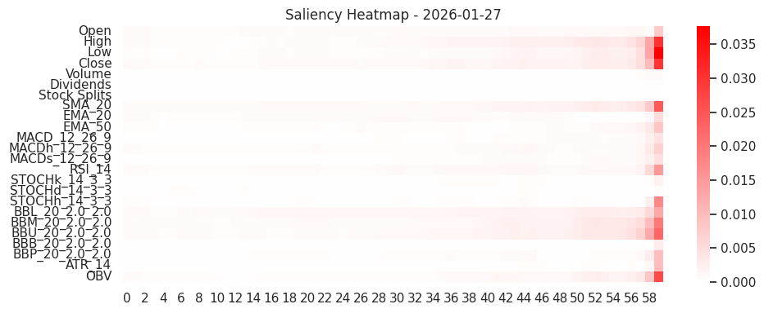
 | saliency
 | Sample 0 (2026-01-27) top Saliency features:
 |  | feature | score | pct
 | 1 | High | 0.123594 | 9.709341
 | 19 | BBU_20_2.0_2.0 | 0.118291 | 9.292715
 | 3 | Close | 0.117127 | 9.201275
 | 18 | BBM_20_2.0_2.0 | 0.10884 | 8.550304
 | 7 | SMA_20 | 0.107536 | 8.447837
 | 2 | Low | 0.106463 | 8.36352
 | 17 | BBL_20_2.0_2.0 | 0.102728 | 8.070094
 | 23 | OBV | 0.082143 | 6.453

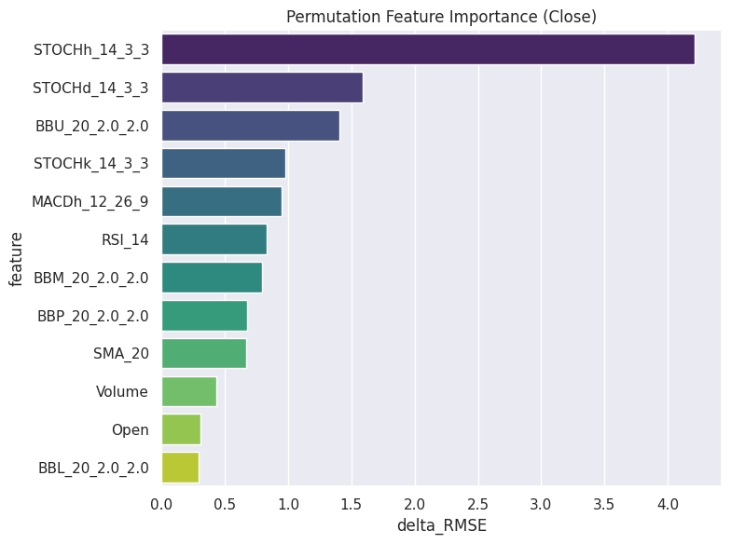
 | permutaion
 |  | Base Test RMSE (Close): 18.7800
 |  | feature | delta_RMSE
 | 16 | STOCHh_14_3_3 | 4.21555
 | 15 | STOCHd_14_3_3 | 1.592804
 | 19 | BBU_20_2.0_2.0 | 1.403704
 | 14 | STOCHk_14_3_3 | 0.978049
 | 11 | MACDh_12_26_9 | 0.952107
 | 13 | RSI_14 | 0.831454
 | 18 | BBM_20_2.0_2.0 | 0.794711
 | 21 | BBP_20_2.0_2.0 | 0.6738
 | 7 | SMA_20 | 0.666788
 | 4 | Volume | 0.434214
 | 0 | Open | 0.308695
 | 17 | BBL_20_2.0_2.0 | 0.295434

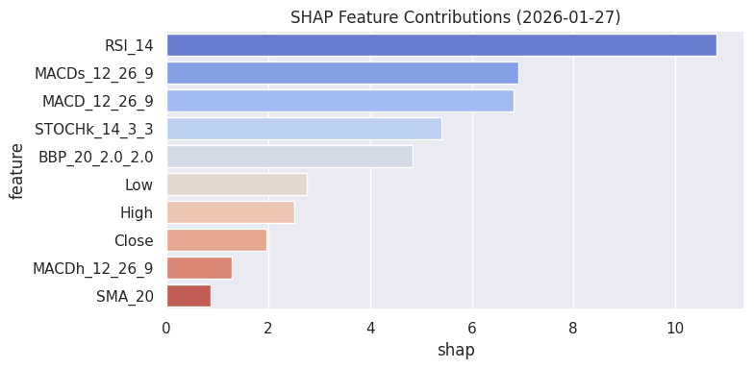
 | SHAP
 | Sample 0 (2026-01-27) SHAP top features:
 |  | feature | shap | abs
 | 13 | RSI_14 | 10.819574 | 10.819574
 | 12 | MACDs_12_26_9 | 6.912701 | 6.912701
 | 10 | MACD_12_26_9 | 6.813425 | 6.813425
 | 14 | STOCHk_14_3_3 | 5.407889 | 5.407889
 | 21 | BBP_20_2.0_2.0 | 4.83265 | 4.83265
 | 2 | Low | 2.759091 | 2.759091
 | 1 | High | 2.505311 | 2.505311
 | 3 | Close | 1.961892 | 1.961892

Sheet5
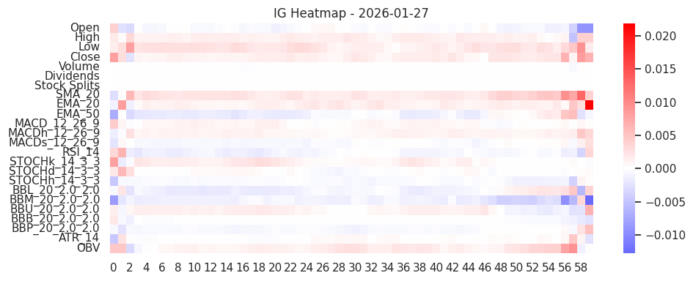
ConvTransformer (CNN + Transformer Encoder) hybrid
 | ig
 | Sample 0 (2026-01-27) top IG features:
 |  | feature | score | pct
 | 7 | SMA_20 | 0.164108 | 10.426028
 | 2 | Low | 0.140133 | 8.902835
 | 18 | BBM_20_2.0_2.0 | 0.123182 | 7.825895
 | 23 | OBV | 0.114354 | 7.26506
 | 3 | Close | 0.108708 | 6.90635
 | 8 | EMA_20 | 0.10784 | 6.851199
 | 1 | High | 0.088952 | 5.651266
 | 9 | EMA_50 | 0.086929 | 5.522733

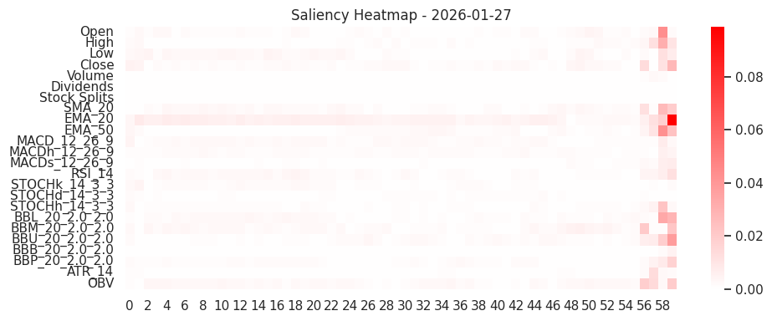
 | saliency
 | Sample 0 (2026-01-27) top Saliency features:
 |  | feature | score | pct
 | 8 | EMA_20 | 0.40525 | 15.77094
 | 23 | OBV | 0.177985 | 6.926546
 | 18 | BBM_20_2.0_2.0 | 0.161202 | 6.273438
 | 7 | SMA_20 | 0.157591 | 6.132886
 | 17 | BBL_20_2.0_2.0 | 0.154225 | 6.001921
 | 9 | EMA_50 | 0.147812 | 5.752328
 | 3 | Close | 0.147775 | 5.750895
 | 19 | BBU_20_2.0_2.0 | 0.139419 | 5.425708

 | permutation

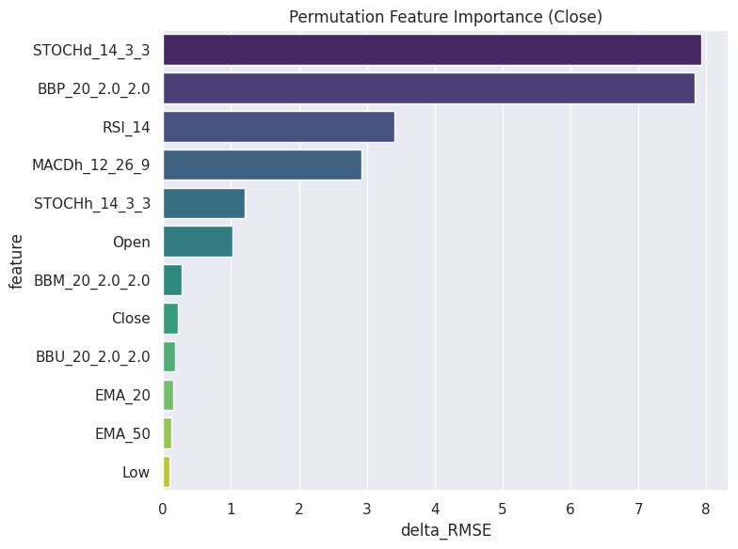
 | feature | delta_RMSE | delta_RMSE
 | 15 | STOCHd_14_3_3 | 7.932431
 | 21 | BBP_20_2.0_2.0 | 7.824305
 | 13 | RSI_14 | 3.407815
 | 11 | MACDh_12_26_9 | 2.925844
 | 16 | STOCHh_14_3_3 | 1.206357
 | 0 | Open | 1.026506
 | 18 | BBM_20_2.0_2.0 | 0.274864
 | 3 | Close | 0.215571
 | 19 | BBU_20_2.0_2.0 | 0.179484
 | 8 | EMA_20 | 0.148798
 | 9 | EMA_50 | 0.115264
 | 2 | Low | 0.088116

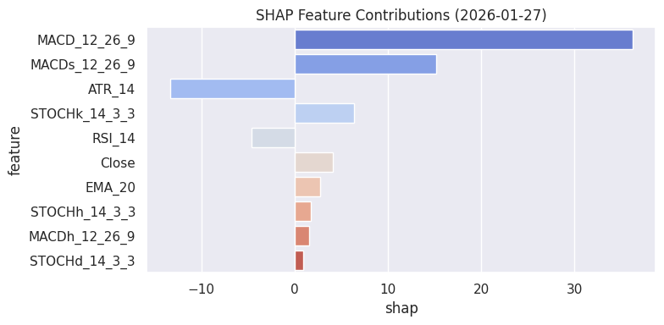
 | shap
 | Sample 0 (2026-01-27) SHAP top features:
 |  | feature | shap | abs
 | 10 | MACD_12_26_9 | 36.204566 | 36.204566
 | 12 | MACDs_12_26_9 | 15.205234 | 15.205234
 | 22 | ATR_14 | -13.389798 | 13.389798
 | 14 | STOCHk_14_3_3 | 6.39109 | 6.39109
 | 13 | RSI_14 | -4.662731 | 4.662731
 | 3 | Close | 4.075771 | 4.075771
 | 8 | EMA_20 | 2.766 | 2.766
 | 16 | STOCHh_14_3_3 | 1.737588 | 1.737588

Sheet6
Temporal Convolutional Network (TCN) + Attention

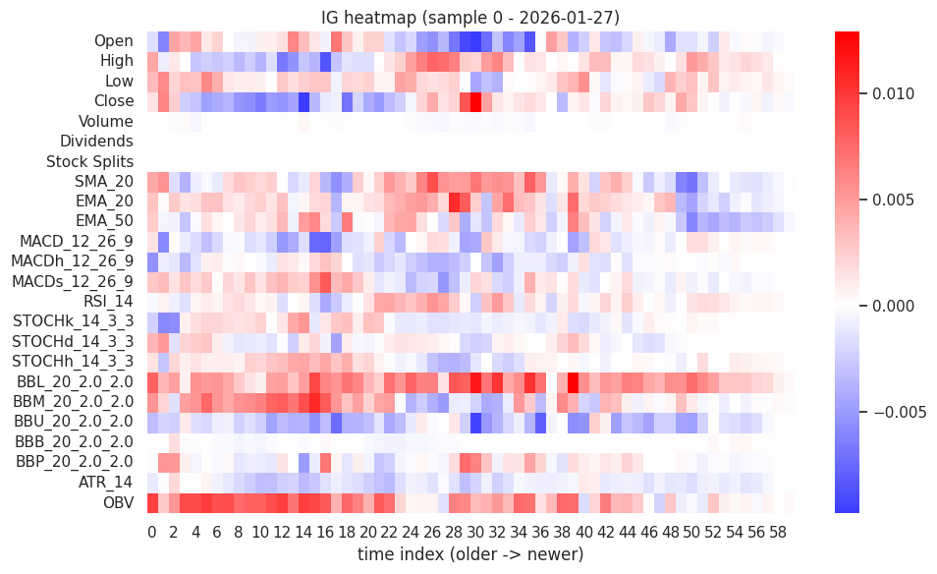
 | IG top-10 features for test sample 0 (date 2026-01-27):
 |  | feature | ig_score | ig_pct
 | 0 | BBL_20_2.0_2.0 | 0.306972 | 10.812961
 | 1 | OBV | 0.278913 | 9.824587
 | 2 | BBM_20_2.0_2.0 | 0.201519 | 7.098435
 | 3 | SMA_20 | 0.181821 | 6.40455
 | 4 | Open | 0.168567 | 5.937701
 | 5 | Close | 0.167799 | 5.910648
 | 6 | BBU_20_2.0_2.0 | 0.165106 | 5.815775
 | 7 | High | 0.156913 | 5.527209
 | 8 | EMA_20 | 0.151931 | 5.351712
 | 9 | EMA_50 | 0.130172 | 4.58525

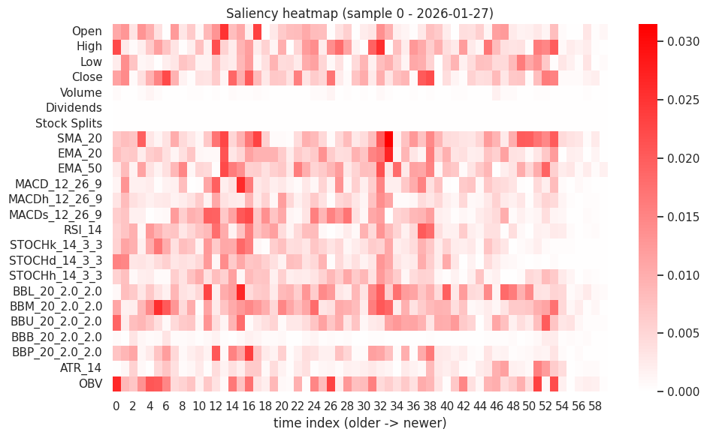
 | Saliency top-10 for sample 0 (date 2026-01-27):
 |  | feature | saliency_score | saliency_pct
 | 0 | SMA_20 | 0.497739 | 6.996144
 | 1 | BBM_20_2.0_2.0 | 0.491663 | 6.910733
 | 2 | BBL_20_2.0_2.0 | 0.474886 | 6.674917
 | 3 | OBV | 0.473915 | 6.661278
 | 4 | High | 0.428359 | 6.020948
 | 5 | EMA_50 | 0.417538 | 5.868846
 | 6 | Close | 0.413965 | 5.818632
 | 7 | MACDs_12_26_9 | 0.375625 | 5.279725
 | 8 | EMA_20 | 0.37169 | 5.224413
 | 9 | BBU_20_2.0_2.0 | 0.368987 | 5.186426

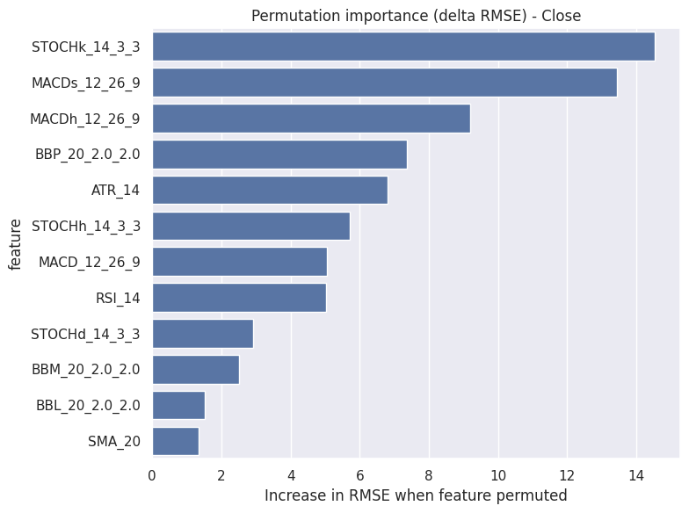
 | Permutation (global). This will evaluate effect on RMSE (Close).
 | Base RMSE (Close) = 41.6046
 |  | feature | delta_rmse_mean | delta_rmse_std
 | 14 | STOCHk_14_3_3 | 14.544424 | 3.396869
 | 12 | MACDs_12_26_9 | 13.447207 | 2.455811
 | 11 | MACDh_12_26_9 | 9.193399 | 2.404989
 | 21 | BBP_20_2.0_2.0 | 7.367325 | 1.539459
 | 22 | ATR_14 | 6.819003 | 0.642424
 | 16 | STOCHh_14_3_3 | 5.725761 | 1.118185
 | 10 | MACD_12_26_9 | 5.064744 | 1.228193
 | 13 | RSI_14 | 5.031629 | 1.869293
 | 15 | STOCHd_14_3_3 | 2.927782 | 1.21051
 | 18 | BBM_20_2.0_2.0 | 2.518379 | 0.169705
 | 17 | BBL_20_2.0_2.0 | 1.527672 | 0.156207
 | 7 | SMA_20 | 1.330927 | 0.080181

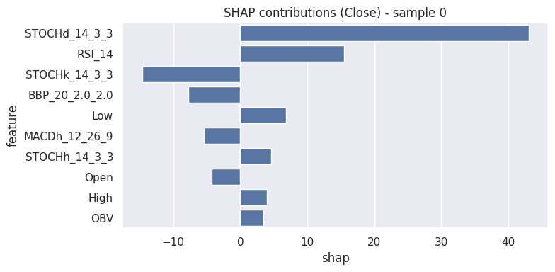
 | SHAP top features for sample 0 (date 2026-01-27):
 |  | feature | shap | abs_shap
 | 0 | STOCHd_14_3_3 | 43.014607 | 43.014607
 | 1 | RSI_14 | 15.433754 | 15.433754
 | 2 | STOCHk_14_3_3 | -14.674219 | 14.674219
 | 3 | BBP_20_2.0_2.0 | -7.769177 | 7.769177
 | 4 | Low | 6.861808 | 6.861808
 | 5 | MACDh_12_26_9 | -5.389759 | 5.389759
 | 6 | STOCHh_14_3_3 | 4.645777 | 4.645777
 | 7 | Open | -4.258708 | 4.258708
 | 8 | High | 3.914042 | 3.914042
 | 9 | OBV | 3.394439 | 3.394439

Sheet7
gan lstm

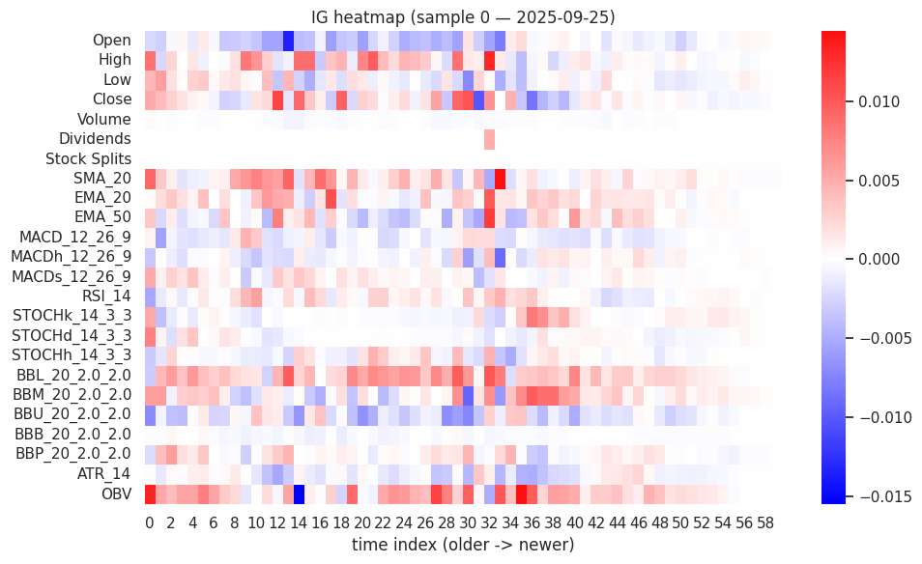
 | IG top-10 (sample 0, date 2025-09-25):
 |  | feature | ig_score | ig_pct
 | 0 | OBV | 0.247046 | 10.326323
 | 1 | BBL_20_2.0_2.0 | 0.217935 | 9.109528
 | 2 | BBM_20_2.0_2.0 | 0.16572 | 6.926976
 | 3 | Close | 0.163406 | 6.830226
 | 4 | SMA_20 | 0.153103 | 6.399593
 | 5 | High | 0.15178 | 6.344267
 | 6 | Open | 0.143594 | 6.002134
 | 7 | BBU_20_2.0_2.0 | 0.140122 | 5.856977
 | 8 | EMA_50 | 0.127907 | 5.346416
 | 9 | EMA_20 | 0.110877 | 4.634587

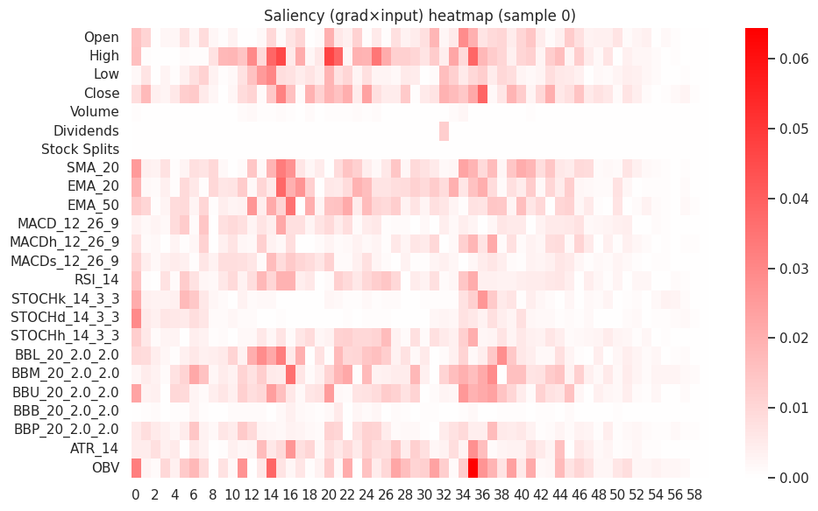
 | Saliency top-10 (sample 0, date 2025-09-25):
 |  | feature | saliency_score | saliency_pct
 | 0 | High | 0.684112 | 8.90889
 | 1 | OBV | 0.613326 | 7.987081
 | 2 | Close | 0.564776 | 7.354836
 | 3 | BBM_20_2.0_2.0 | 0.506924 | 6.601443
 | 4 | SMA_20 | 0.467256 | 6.084867
 | 5 | EMA_20 | 0.465554 | 6.06271
 | 6 | EMA_50 | 0.45003 | 5.860544
 | 7 | BBU_20_2.0_2.0 | 0.440012 | 5.730082
 | 8 | BBL_20_2.0_2.0 | 0.421916 | 5.494432
 | 9 | Open | 0.348034 | 4.532296

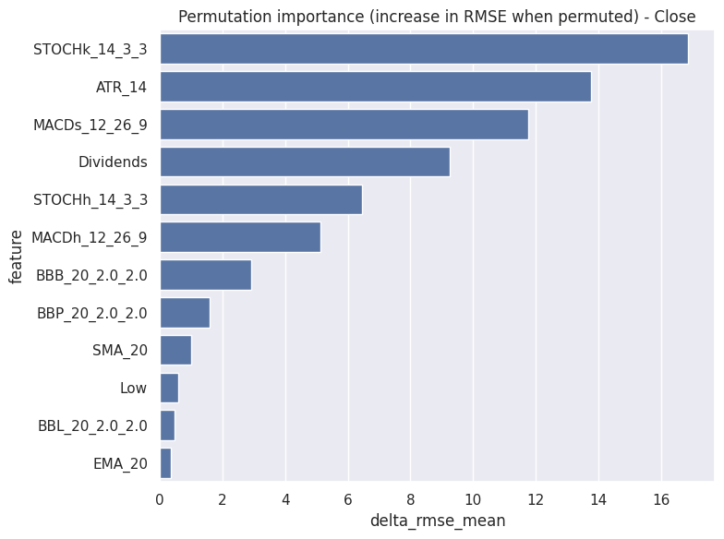
 | Permutation
 | Base RMSE (target index 1) = 100.5986
 |  | feature | delta_rmse_mean | delta_rmse_std
 | 14 | STOCHk_14_3_3 | 16.881155 | 2.334674
 | 22 | ATR_14 | 13.781104 | 1.151619
 | 12 | MACDs_12_26_9 | 11.779569 | 1.746044
 | 5 | Dividends | 9.253783 | 0.044885
 | 16 | STOCHh_14_3_3 | 6.462702 | 0.685989
 | 11 | MACDh_12_26_9 | 5.128728 | 0.734256
 | 20 | BBB_20_2.0_2.0 | 2.91673 | 0.293533
 | 21 | BBP_20_2.0_2.0 | 1.595593 | 1.015089
 | 7 | SMA_20 | 0.993207 | 0.324129
 | 2 | Low | 0.569738 | 0.460714
 | 17 | BBL_20_2.0_2.0 | 0.464432 | 0.310112
 | 8 | EMA_20 | 0.337152 | 0.095151

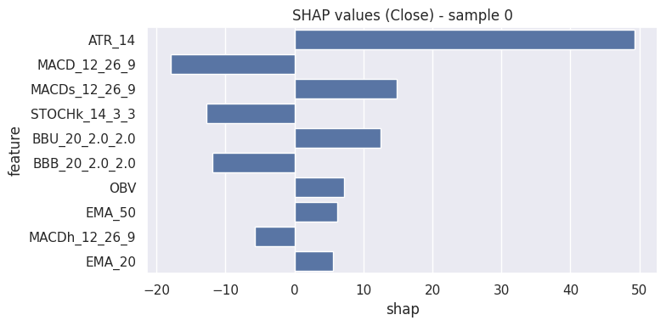
 | SHAP top features sample 0 (date 2025-09-25):
 |  | feature | shap | abs_shap
 | 0 | ATR_14 | 49.260099 | 49.260099
 | 1 | MACD_12_26_9 | -17.988938 | 17.988938
 | 2 | MACDs_12_26_9 | 14.834321 | 14.834321
 | 3 | STOCHk_14_3_3 | -12.737236 | 12.737236
 | 4 | BBU_20_2.0_2.0 | 12.524038 | 12.524038
 | 5 | BBB_20_2.0_2.0 | -11.917066 | 11.917066
 | 6 | OBV | 7.246024 | 7.246024
 | 7 | EMA_50 | 6.171192 | 6.171192
 | 8 | MACDh_12_26_9 | -5.720336 | 5.720336
 | 9 | EMA_20 | 5.607954 | 5.607954

Sheet8
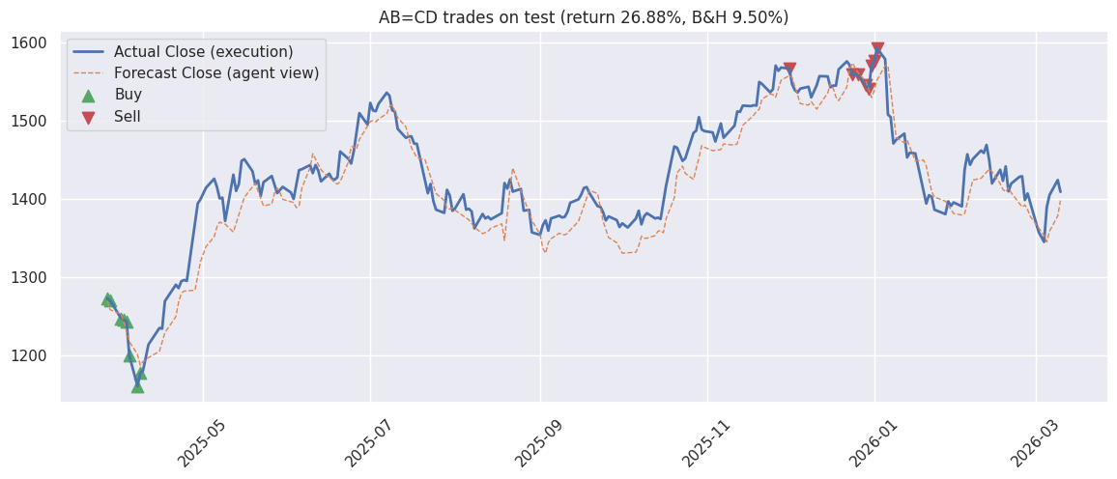
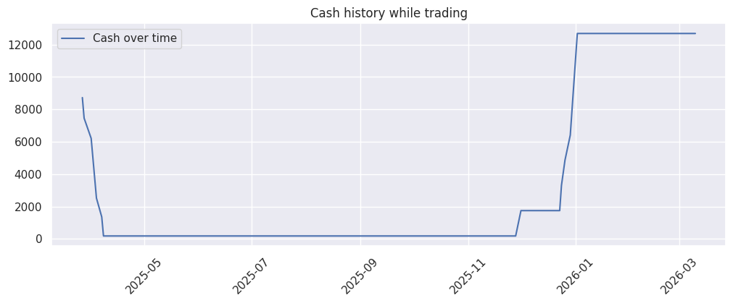
abcd agent
 | Signals generated on forecasted closes: (array([-1., 0., 1.]), array([ 38, 168, 30]))
 | day 0: BUY 1 units at 1273.1152, cash left 8726.8848
 | day 1: BUY 1 units at 1270.0276, cash left 7456.8572
 | day 2: BUY 1 units at 1247.6170, cash left 6209.2401
 | day 3: BUY 1 units at 1246.1730, cash left 4963.0672
 | day 4: BUY 1 units at 1243.7327, cash left 3719.3345
 | day 5: BUY 1 units at 1199.9076, cash left 2519.4269
 | day 6: BUY 1 units at 1161.0627, cash left 1358.3642
 | day 7: BUY 1 units at 1177.4972, cash left 180.8670
 | day 167: SELL 1 units at 1566.1000, cash now 1746.9670 (recent trade gain% ~= 23.013)
 | day 184: SELL 1 units at 1558.1999, cash now 3305.1670 (recent trade gain% ~= 22.690)
 | day 185: SELL 1 units at 1559.1999, cash now 4864.3669 (recent trade gain% ~= 24.974)
 | day 186: SELL 1 units at 1545.5999, cash now 6409.9668 (recent trade gain% ~= 24.028)
 | day 187: SELL 1 units at 1539.8001, cash now 7949.7669 (recent trade gain% ~= 23.805)
 | day 188: SELL 1 units at 1570.4000, cash now 9520.1669 (recent trade gain% ~= 30.877)
 | day 189: SELL 1 units at 1575.6000, cash now 11095.7669 (recent trade gain% ~= 35.703)
 | day 190: SELL 1 units at 1592.3001, cash now 12688.0670 (recent trade gain% ~= 35.228)
 | AB=CD Strategy Summary
 | Trades -> buys: 8 sells: 8
 | Final cash: 12688.07 | Total gains: 2688.07 | Return: 26.88%
 | Buy-and-hold baseline -> final cash: 10950.49 | return: 9.50%

Sheet9
evolution strategy

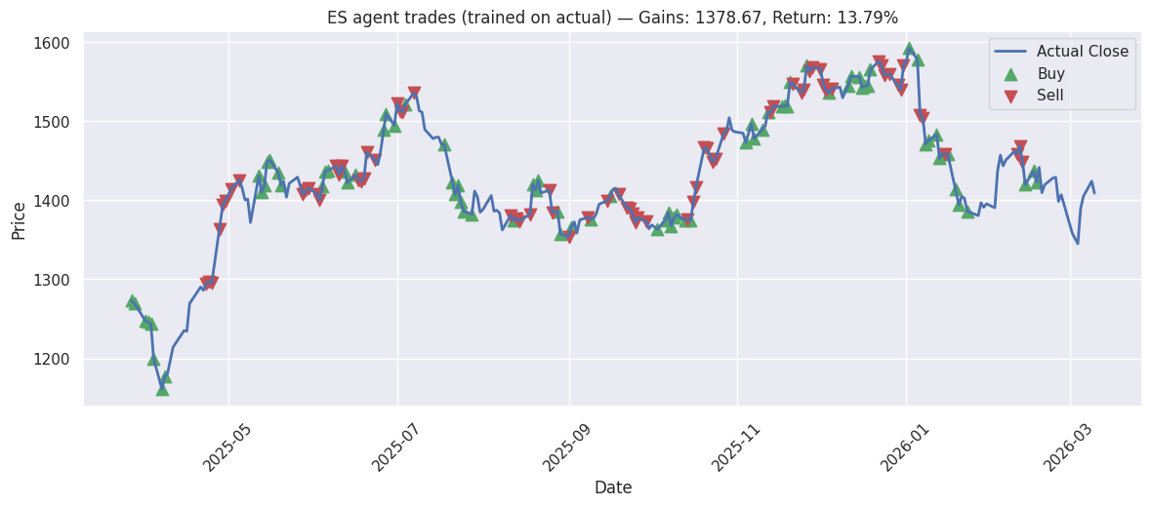
 | Train length (for ES): 1541, Test length (forecast window): 236
 | ES Training on actual historical closes (length 1541), window_size=30
 | iter 20. reward: 156.5564
 | iter 40. reward: 193.6229
 | iter 60. reward: 184.9343
 | iter 80. reward: 235.0952
 | iter 100. reward: 250.5614
 | iter 120. reward: 248.5280
 | iter 140. reward: 255.2407
 | iter 160. reward: 255.9736
 | iter 180. reward: 301.9602
 | iter 200. reward: 300.3307
 | time taken to train: 114.42164516448975 seconds
 | Training finished in 114.4s |  |  |  |  | A pure optimization-based agent that evolves a population of trading rules or neural networks by testing how profitable they are on historical data.
 | --- Deployment (on forecasted observations, executed on real actual closes) --- |  |  |  |  | It does not learn from gradients (like neural networks). Instead, it uses mutation, crossover, and selection — just like biological evolution.
 | Test window length: 236 |  |  |  |  | How it trades:
 | Total gains: 1378.67, Return: 13.79% |  |  |  |  | Each “individual” (agent) represents a small neural network or rule set.
 | Number of buys: 81, Number of sells: 73 |  |  |  |  | It takes the actual price history (real close prices) and simulates trades (buy/hold/sell).
 | Sample action dataframe (head): |  |  |  |  | After every “generation”, the top performers (those with highest portfolio growth) survive and breed new ones.
 |  | pred_close | actual_close | buy | sell | Over time, the best individual “evolves” to exploit patterns in the data that maximize profit.
 | date |  |  |  |  | Trading style:
 | 2025-03-27 00:00:00+05:30 | 1269.185238 | 1273.115234 | TRUE | FALSE | Optimization-based.
 | 2025-03-28 00:00:00+05:30 | 1258.46759 | 1270.027588 | TRUE | FALSE | Learns trading logic automatically by testing millions of strategies.
 | 2025-04-01 00:00:00+05:30 | 1253.016559 | 1247.617065 | TRUE | FALSE | Focused on maximizing return and survival of the fittest.
 | 2025-04-02 00:00:00+05:30 | 1243.580703 | 1246.172974 | TRUE | FALSE | Doesn’t use explicit market patterns (like MA or AB=CD) — the rules emerge from evolution.
 | 2025-04-03 00:00:00+05:30 | 1231.008527 | 1243.732666 | TRUE | FALSE
 | 2025-04-04 00:00:00+05:30 | 1217.943299 | 1199.907593 | TRUE | FALSE
 | 2025-04-07 00:00:00+05:30 | 1201.423294 | 1161.062744 | TRUE | FALSE
 | 2025-04-08 00:00:00+05:30 | 1187.604473 | 1177.497192 | TRUE | FALSE
 | 2025-04-09 00:00:00+05:30 | 1192.098856 | 1180.634644 | FALSE | FALSE
 | 2025-04-11 00:00:00+05:30 | 1197.443165 | 1214.100952 | FALSE | FALSE
 | 2025-04-15 00:00:00+05:30 | 1205.358316 | 1235.16687 | FALSE | FALSE
 | 2025-04-16 00:00:00+05:30 | 1217.811534 | 1234.370117 | FALSE | FALSE
 | 2025-04-17 00:00:00+05:30 | 1229.245067 | 1269.430054 | FALSE | FALSE
 | 2025-04-21 00:00:00+05:30 | 1249.651428 | 1290.346436 | FALSE | FALSE
 | 2025-04-22 00:00:00+05:30 | 1268.188747 | 1286.063599 | FALSE | FALSE
 | 2025-04-23 00:00:00+05:30 | 1279.518262 | 1294.828613 | FALSE | TRUE
 | 2025-04-24 00:00:00+05:30 | 1282.288743 | 1296.422241 | FALSE | TRUE
 | 2025-04-25 00:00:00+05:30 | 1282.353274 | 1295.227051 | FALSE | TRUE
 | 2025-04-28 00:00:00+05:30 | 1283.393165 | 1363.35498 | FALSE | TRUE
 | 2025-04-29 00:00:00+05:30 | 1300.02729 | 1394.131958 | FALSE | TRUE

Sheet10
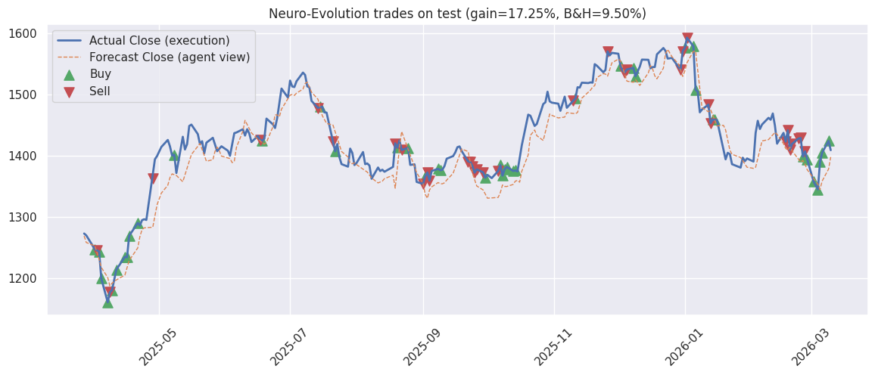
neuro evolution agent
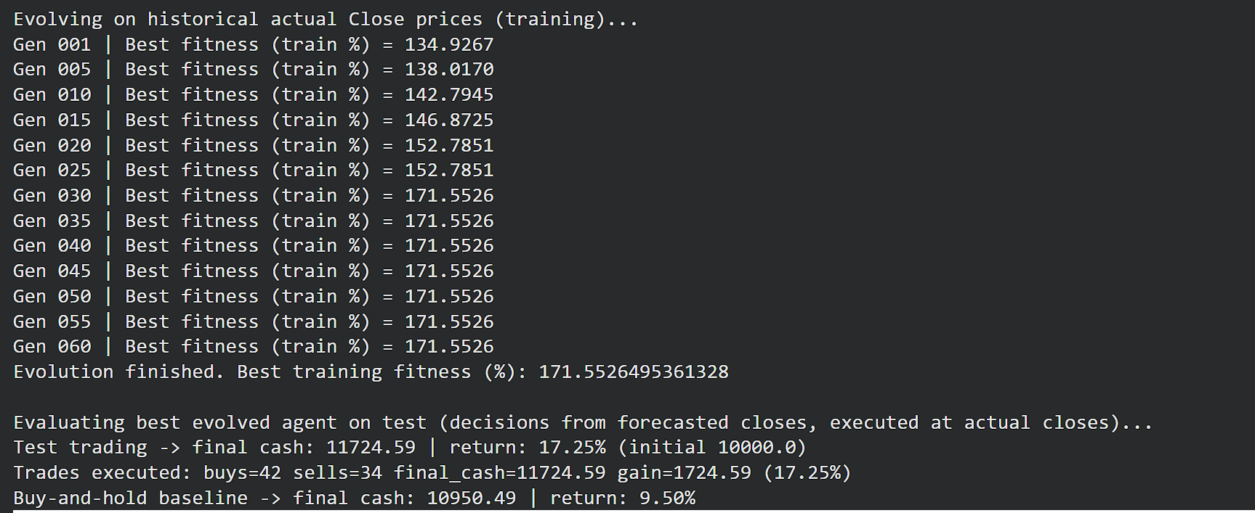

 | combines neural networks (like machine learning) with evolutionary algorithms.
 | How it trades:
 | Each agent is a small neural network (like Evolution Strategy), but instead of random weights, it learns through evolutionary selection.
 | The network inputs are price differences over a window (say, 30 days).
 | Output = [hold, buy, sell] probabilities.
 | The population evolves to maximize portfolio return (not minimize loss like ML).

